ECPI_indicator_correcte
GREET 2024 Rev1 |  |  |  |  |  |  |  |  |  |  |  |  | m_in_virgin | m_in_circular | m_out_linear | m_out_circular | ghg_virgin | ghg_recycled
 | EV: Conventional Material | EV: Conventional Material |  |  | kg |  |  |  |  |  |  | LiCO3 | 41.336978874 | 4.1336978874 | 41.336978874 | 37.203280987 | 488.94945441 | 107.67149594 |  |  |  |  |  |  |  | LiCO3 | 0.1 | 0.9 | 0.7797901297 | 0.070181111673 | 0.10316753501 | 0.0072404122953
Weight by Materials: lb per battery | lbs | Weight by Materials: kg per battery |  | M [aluminium] | 53.070283495 |  | Element | Mass fraction | % by mass |  |  | Al | 53.070283495 | 26.535141748 | 53.070283495 | 47.763255146 | 762.59582472 | 128.53087554 |  | graphite | 76.033808311 | 19.768790161 | 76.033808311 | 68.43042748 | 0.6670156321 | Al | 0.5 | 0.9 | 0.83145609853 | 0.37415524434 | 0.13245114857 | 0.049557291856
Active Material | 239.99017899 | 108.85762527 |  | M [cobalt] | 6.5947495658 |  | Ni | 0.4826776591 | 48.27% |  |  | Cu | 33.700287372 | 10.784091959 | 33.700287372 | 30.330258635 | 130.07900659 | 92.60308584 |  |  |  |  |  |  |  | Cu | 0.32 | 0.9 | 0.28810122198 | 0.082973151929 | 0.084108119942 | 0.0069787158145
Graphite/Carbon | 167.62599056 | 76.033808311 |  | M [copper] | 33.700287372 |  | Co | 0.06058142045 | 6.06% |  |  | CoSO4 | 17.345321631 | 1.7345321631 | 17.345321631 | 15.610789468 | 105.47442555 | 41.704437231 |  |  |  |  |  |  |  | CoSO4 | 0.1 | 0.9 | 0.60460142812 | 0.054414128531 | 0.04328990955 | 0.0023555827023
Silicon | 0 | 0 |  | M [graphite] | 76.033808311 |  | Mn | 0.056474675932 | 5.65% |  |  | NiSO4 | 138.54236657 | 13.854236657 | 138.54236657 | 124.68812991 | 1027.6943164 | 333.10604171 |  |  |  |  |  |  |  | NiSO4 | 0.1 | 0.9 | 0.67587050314 | 0.060828345282 | 0.34576969198 | 0.021032598212
Binder | 8.405453129 | 3.8126462957 |  | M [lithium] | 7.7660329504 |  | O | 0.32893019048 | 32.89% |  |  | MnSO4 | 16.896773085 | 1.6896773085 | 16.896773085 | 15.207095777 | 13.107533035 | 40.625964023 |  |  |  |  |  |  |  | MnSO4 | 0.1 | 0.9 | -2.0994363252 | -0.18894926927 | 0.042170436162 | -0.0079680730975
Copper | 74.296476508 | 33.700287372 |  | M [manganese] | 6.1476991099 |  | Li | 0.071341193886 | 7.13% |  |  | Steel | 99.786156498 | 25.94440069 | 99.786156498 | 89.807540848 | 296.27599991 | 64.672534008 | 646.56283181 |  |  |  |  |  |  | steel | 0.26 | 0.9 | 0.78171524515 | 0.18292136737 | 0.24904315879 | 0.045555315139
Aluminum Sheet (Automotive) | 117.00004298 | 53.070283495 |  | M [nickel] | 52.543143741 |  |  |  |  |  |  | cells |  |  |  |  | 2824.1765606 | 808.91443429 |  |  |  |  |  |  |  |  |  |  |  |  |  | 0.12475184292
Cast Aluminum | 0 | 0 |  | M [steel] | 99.786156498 |  | Molecular weight LiNi₀.8Co₀.1Mn₀.1O₂ | 97.279 |  |  |  |  |  | changed recycled copper from 10 to 32%
Electrolyte: LiPF6 | 10.434355608 | 4.7329402292 |  |  |  |  |  |  |  |  |  |  |  | https://internationalcopper.org/wp-content/uploads/2022/02/ICA-RecyclingBrief-202201-A4-R2.pdf |  | Total virgin (cell+module+pack) | 3954.8299096 |  |  |  |  |  |  |  |  |  | 0.21133115122 | 0.9 | 0.71357511936 |  | 0.13572058631
Electrolyte: Ethylene Carbonate | 28.984321135 | 13.147056192
Electrolyte: Dimethyl Carbonate | 28.984321135 | 13.147056192 |  |  |  |  |  |  |  |  |  |  | Lithium Carbonate (Li2CO3) | Nickel Sulfate (NiSO4) | Cobalt Sulfate (CoSO4) | Manganese Sulfate (MnSO4) |  |  |  | Graphite/Carbon | Virgin Aluminum Sheet (Automotive) | Copper | Virgin Steel | Recycled Steel | Recycled Aluminum Sheet (Automotive) |  | 0.1901980361
Plastic: Polypropylene | 0.77291523026 | 0.35058816512 |  |  |  |  | Raw Material | as available in cell |  |  |  | Energy Use: mmBtu per ton of material product |  |  |  |  |  |  | Energy Use: mmBtu per lb of material product |  |  | per lb
Plastic: Polyethylene | 5.9900930345 | 2.7170582797 |  |  |  |  | LiCO3 | 41.336978874 |  |  |  | Total energy | 115.35555338 | 92.739405366 | 87.805390109 | 7.4048778466 |  |  | Total energy | 0.042403736024 | 0.093501426183 | 0.025292415692 | 0.01460280654 | 0.0046802945321 | 0.016457294576
Plastic: Polymer | 8.9851395517 | 4.0755874196 |  |  |  |  | Al | 11.58982922 |  |  |  | Fossil fuels | 112.49307208 | 86.768633557 | 77.023369255 | 5.7659536199 |  |  | Fossil fuels | 0.039925939561 | 0.063763299477 | 0.019665277127 | 0.013581185834 | 0.0038548277645 | 0.013782822794
Plastic: Polyethylene Terephthalate | 1.6424448643 | 0.74499985089 |  |  |  |  | Cu | 33.700287372 |  |  |  | Coal | 80.842553201 | 16.143108513 | 15.489747161 | 1.8920006592 |  |  | Coal | 0.0054538109742 | 0.027877329037 | 0.0063053565367 | 0.010393006339 | 0.0010418458353 | 0.0026814986883
Steel | 156.90179174 | 71.16939752 |  |  |  |  | CoSO4 | 17.345321631 |  |  |  | Natural gas | 5.6270885613 | 35.864794293 | 47.027913221 | 2.8015304482 |  |  | Natural gas | 0.018633954539 | 0.026903538869 | 0.009533618795 | 0.00329138799 | 0.0027820945718 | 0.010475315895
Stainless Steel | 63.08920567 | 28.616758978 |  |  |  |  | NiSO4 | 138.54236657 |  |  |  | Petroleum | 26.023430319 | 34.76073075 | 14.505708873 | 1.0724225125 |  |  | Petroleum | 0.015838174047 | 0.0089824315711 | 0.0038263017955 | -0.00010320849504 | 3.0887357338E-05 | 0.00062600821019
Rubber | 0.28984321135 | 0.13147056192 |  |  |  |  | MnSO4 | 16.896773085 |  |  |  | Water consumption (gal/ton) | 11865.315171 | 6811.9230539 | 19290.02205 | 595.76631226 |  |  | Water consumption | 1.155874257 | 37.783915582 | 2.9290601614 | 0.40197833277 | 0.27501018265 | 2.7176971598
Thermal Insulation | 3.5747329399 | 1.6214702637 |  |  |  |  | graphite | 76.033808311 |  |  |  | Total Emissions: g/ton of material product |  |  |  |  |  |  | Total Emissions: grams |  |  | per lb
Coolant: Glycol | 39.998363166 | 18.142937545 |  |  |  |  | TOTAL: | 335.44536506 |  |  |  | VOC | 1844.6882404 | 2237.5168161 | 1502.570263 | 80.950090659 |  |  | VOC | 0.65416776834 | 1.0756207314 | 0.50095205866 | 1.5742684083 | 0.14622852105 | 0.47121783598
Electronic Parts | 9.1783683593 | 4.1632344608 |  |  |  |  |  |  |  |  |  | CO | 7775.7435771 | 8593.8941657 | 4582.0073062 | 313.07926811 |  |  | CO | 18.692739738 | 2.9853743527 | 1.2623447133 | 11.041738923 | 1.7710891794 | 0.81068111864
Total | 966.14403782 | 438.2352064 |  |  |  |  |  |  |  |  |  | NOx | 16281.579408 | 16097.099464 | 7985.8501768 | 700.39275389 |  |  | NOx | 2.1896353994 | 6.2569281649 | 2.1392642056 | 1.4433378708 | 0.32652808075 | 1.3772535039
 |  |  |  |  |  |  |  |  |  |  |  | PM10 | 2941.9448766 | 1438.3620268 | 21864.981311 | 1764.0904161 |  |  | PM10 | 0.24021639257 | 1.3419315615 | 0.34693161736 | 0.76072345663 | 0.32905941001 | 0.29194243139
 |  |  |  |  | 1.4) Process Outputs |  |  |  |  |  |  | PM2.5 | 2074.8602603 | 1059.0057077 | 2640.8949277 | 891.64816786 |  |  | PM2.5 | 0.14791490749 | 1.4483201392 | 0.23677881173 | 0.36380852133 | 0.16847068081 | 0.23404745193
Cell weight |  | 272.9094828 |  |  |  | NMC(811) |  |  |  |  |  | SOx | 13865.112808 | 243784.78705 | 22287.948002 | 1528.6853651 |  |  | SOx | 0.75412685463 | 17.736062761 | 1.9511901921 | 5.5083069363 | 0.28608705898 | 1.2321048167
 |  |  |  |  |  | Recycling |  |  |  |  |  | BC | 181.50086005 | 93.178499529 | 75.189213822 | 3.9878461058 |  |  | BC | 0.012655601441 | 0.025122321339 | 0.011165703255 | 0.0044037466219 | 0.0015171555199 | 0.0072524387877
 |  |  |  |  |  | Hydrometallurgical processing |  |  |  |  |  | OC | 360.12903627 | 191.54336619 | 135.79356799 | 13.733547363 |  |  | OC | 0.034406760838 | 0.06505067648 | 0.034386218006 | 0.01258003957 | 0.0053704787084 | 0.019536673008
Raw Material | as available in cell |  |  |  | NMC(811) | 0 |  |  |  |  |  | CH4 | 15148.247906 | 10910.671216 | 10817.559559 | 801.65867883 |  |  | CH4 | 82.827668292 | 10.004456194 | 2.7463703967 | 2.0495350379 | 0.57012165304 | 2.1216792803
LiCO3 | 41.336978874 | 12% | 9% |  | Cobalt sulfate (CoSO4) | 2% |  |  |  |  |  | N2O | 113.03767634 | 191.86557533 | 170.22722992 | 17.834402831 |  |  | N2O | 0.035543274253 | 0.098901242958 | 0.48251745962 | 0.011300033023 | 0.0066418678823 | 0.025670677945
Al | 11.58982922 | 3% | 3% |  | Copper | 0% |  |  |  |  |  | CO2 | 10714973.638 | 6718014.2123 | 5505176.9166 | 702619.6599 |  |  | CO2 | 1469.8168224 | 5952.1962981 | 1533.6993207 | 1260.3480744 | 271.93694203 | 981.07828346
Cu | 33.700287372 | 10% | 8% |  | Graphite | 25% |  |  |  |  |  | Urban Emissions: g/ton of material product |  |  |  |  |  |  | CO2 (VOC, CO, CO2) | 1501.2299506 | 5960.2399519 | 1537.2443058 | 1282.6058483 | 275.17582773 | 983.82083986
CoSO4 | 17.345321631 | 5% | 4% |  | Lithium carbonate (Li2CO3) | 14% |  |  |  |  |  | VOC | 73.964416951 | 98.975996119 | 75.209894673 | 6.373508117 |  | gco2-eq/lb | GHGs | 3979.1977796 | 6517.9237056 | 1750.8134101 | 1346.7669015 | 293.97868292 | 1068.1303673
NiSO4 | 138.54236657 | 41% | 32% |  | Manganese sulfate (MnSO4) | 2% |  |  |  |  |  | CO | 141.57344374 | 277.26364374 | 330.54961113 | 37.24989396 |  |  | Urban Emissions: grams |  |  | per lb
MnSO4 | 16.896773085 | 5% | 4% |  | Nickel sulfate (NiSO4) | 19% |  |  |  |  |  | NOx | 325.95545252 | 594.92777793 | 624.41079441 | 86.04711831 |  |  | VOC | 0.046796729453 | 0.048101528302 | 0.019942111904 | 0.0027689780516 | 0.0024819348951 | 0.009318221982
graphite | 76.033808311 | 23% | 17% |  |  |  |  |  |  |  |  | PM10 | 36.721019865 | 56.031853673 | 57.973685623 | 9.2489795726 |  |  | CO | 0.11415059882 | 0.33911812073 | 0.11793377379 | 0.026098879772 | 0.02134833334 | 0.059694975381
TOTAL: | 335.44536506 |  |  |  |  |  |  |  |  |  |  | PM2.5 | 30.041953888 | 47.108866431 | 47.659623191 | 7.8191712286 |  |  | NOx | 0.18776352574 | 0.70244873752 | 0.25503096151 | 0.051733575861 | 0.04033735894 | 0.10546992643
 |  |  |  |  |  |  |  |  |  |  |  | SOx | 306.01157595 | 447.77198958 | 530.13975641 | 77.160309601 |  |  | PM10 | 0.019299563198 | 0.073860551462 | 0.027500572213 | 0.0048809640083 | 0.0039815572193 | 0.0087658399018
 |  |  |  |  |  |  |  |  |  |  |  | BC | 2.2964365873 | 3.3726011802 | 2.7894068672 | 0.48108570027 |  |  | PM2.5 | 0.016086015924 | 0.060024423549 | 0.022973839514 | 0.0040787475601 | 0.0033276284291 | 0.0072414510697
 |  |  |  |  |  |  |  |  |  |  |  | OC | 4.6586580249 | 9.0502355035 | 9.4755039249 | 2.199027373 |  |  | SOx | 0.11672721576 | 0.72722318258 | 0.24062203718 | 0.043139112477 | 0.034999804582 | 0.08102335381
 |  |  |  |  | GREET 2024 Rev1 |  |  |  |  |  |  | ghg (g/ton) | 10730537.723 | 6729419.5491 | 5516467.5033 | 703741.95299 |  |  | BC | 0.0012724950047 | 0.0029910563282 | 0.0013140184581 | 0.0001892692507 | 0.00015640516129 | 0.0003702435787
Element | Mass fraction | % by mass |  |  | Mass of Steel | 99.786156498 |  |  |  |  |  | ghg (kg co2-eq/kg) | 11.828379038 | 7.4179064632 | 6.0808572936 | 0.7757417922 |  |  | OC | 0.0037363160078 | 0.011516094314 | 0.0057975643883 | 0.0011419820316 | 0.00090140816152 | 0.0016928491865
Ni | 0.4826776591 | 48.27% |  |  | Mass of Aluminum | 41.480454275 |  |  |  |  |  |  |  |  |  |  |  |  | ghg (kg co2-eq/kg) | 8.7726190088 | 14.36954496 | 3.8598782603 | 2.9691092463 | 0.64811128395 | 2.3548215703
Co | 0.06058142045 | 6.06%
Mn | 0.056474675932 | 5.65% |  |  |  | Total Aluminum | 53.070283495
O | 0.32893019048 | 32.89% |  |  |  | Aluminum that can be recycled (module + pack) | 41.480454275 |  |  |  |  | Virgin materials ghg | ghg (kg co2-eq/kg) |  | recycled materials ghg | ghg (kg co2-eq/kg)
Li | 0.071341193886 | 7.13% |  |  |  |  |  |  |  |  |  | LiCO3 | 11.828379038 |  | LiCO3 | 0.39453189694 |  |  |  | Hydrometallurgical processing
 |  |  |  |  |  |  |  |  |  |  |  | Al | 14.36954496 |  | Al | 2.3548215703 | 0.11304776497 |  | Energy Use: mmBtu per ton of battery cells recycled
Molecular weight LiNi₀.8Co₀.1Mn₀.1O₂ | 97.279 |  |  |  | O Winjobi 2020 |  |  |  |  |  |  | Cu | 3.8598782603 |  | Cu | 0.33931794854 |  |  | Total energy | 27.504032158
molecular weight of NiSO4 | 154.75 | 38% |  |  | Section | Item | BEV_NMC811 |  | O Winjobi 2020 |  |  | CoSO4 | 6.0808572936 |  | CoSO4 | 0.15281417415 |  |  | Fossil fuels | 25.097184062
molecular weight of CoSO4 | 154.996 | 38% |  |  | Cell components (kg) | Active cathode material | 89.81 |  | Total Aluminum | 52.43 |  | NiSO4 | 7.4179064632 |  | NiSO4 | 1.2205733501 |  |  | Coal | 7.7641146888
molecular weight of MnSO4 | 151.001 | 36% |  |  | Cell components (kg) | Carbon black | 4.99 |  | Aluminum that can be recycled (module + pack) | 40.98 | 78% | MnSO4 | 0.7757417922 |  | MnSO4 | 0.14886241257 |  |  | Natural gas | 17.73147129
molecular weight of LiCO3 | 73.891 | 19% |  |  | Cell components (kg) | Graphite | 64.6 |  |  |  |  | Steel | 2.9691092463 |  | Steel | 0.64811128395 |  |  | Petroleum | 4.0730299774
 | 7.7660329504 |  |  |  | Cell components (kg) | Binder (PVDF) | 6.31 |  | Picostoste - Elligen |  |  |  |  |  |  |  |  |  | Water consumption (gal/ton battery cells recycled) | 3830.9553205
 |  |  |  |  | Cell components (kg) | Copper | 20.06 |  | Total Aluminum | 45.5 |  |  |  |  |  |  | 2.3691475473 |  | Total Emissions: grams per ton of battery cells recycled |  |  |  | material | F_r
 |  |  |  |  | Cell components (kg) | Aluminum | 11.45 |  | Aluminum that can be recycled (module + pack) | 38 | 84% |  |  |  |  |  |  |  | VOC | 326.04792096 |  |  | TOTAL_BATTERY_MASS | 0
9.1) Precursor material use: ton per ton of product | Nickel Cobalt Manganese Hydroxide (Ni0.8Co0.1Mn0.1(OH)2) | 92.3555 |  |  | Cell components (kg) | Electrolyte: LiPF6 | 3.96 |  |  |  |  | graphite | 8.7726190088 |  |  |  |  |  | CO | 1366.6159468 |  |  | steel | 0.95
 | NMC811 |  |  |  | Cell components (kg) | Electrolyte: Ethylene Carbonate | 11.05 |  |  |  |  |  |  |  |  |  |  |  | NOx | 2476.2725623 |  |  | aluminium | 0.93
Sulfuric acid (H2SO4) | 0 |  |  |  | Cell components (kg) | Electrolyte: Dimethyl Carbonate | 11.05 |  |  |  |  | Raw Material | as available in cell | as recycled (applied recycling efficiency) | mass fraction |  |  |  | PM10 | 227.20734287 |  |  | copper | 0.96
Ammonia (NH3) | 0 |  |  |  | Cell components (kg) | Plastic: Polypropylene | 2.18 |  |  |  |  | LiCO3 | 41.336978874 | 37.616650776 | 17% | 107.67149594 | 2.8623360592 |  | PM2.5 | 162.82609335 |  |  | cobalt | 0.84
Nickel Sulfate (NiSO4) | 1.3404216157 | 138.5352852 |  |  | Cell components (kg) | Plastic: Polyethylene | 0.48 |  |  |  |  | Al | 11.58982922 | 10.778541175 | 5% | 30.85180707 | 2.8623360592 |  | SOx | 2777.9833814 |  |  | nickel | 0.84
Cobalt Sulfate (CoSO4) | 0.16781255752 |  |  |  | Cell components (kg) | Plastic: Polyethylene Terephthalate | 0.56 |  |  |  |  | Cu | 33.700287372 | 32.352275878 | 14% | 92.60308584 | 2.8623360592 |  | BC | 32.376451047 |  |  | manganese | 0.84
Manganese Sulfate (MnSO4) | 0.16349245877 |  |  |  | Cell components (kg) | Subtotal: Cell | 226.49 |  |  |  |  | CoSO4 | 17.345321631 | 14.57007017 | 6% | 41.704437231 | 2.8623360592 |  | OC | 44.462474002 |  |  | lithium | 0.91
Sodium Hydroxide (NaOH) | 0.889536 |  |  |  | Module components sans cell (kg) | Copper | 0.43 |  |  |  |  | NiSO4 | 138.54236657 | 116.37558792 | 52% | 333.10604171 | 2.8623360592 |  | CH4 | 4379.1251089 |  |  | graphite | 0.9
Ammonium Hydroxide (NH4OH) | 0.12352941176 |  |  |  | Module components sans cell (kg) | Aluminum | 11.42 |  |  |  |  | MnSO4 | 16.896773085 | 14.193289391 | 6% | 40.625964023 | 2.8623360592 |  | N2O | 40.320069236
Hydrochloric Acid (HCl) | 0 |  |  |  | Module components sans cell (kg) | Plastic: Polyethylene | 0.13 |  |  |  |  | graphite | 76.033808311 | 69.190765563 |  |  |  |  | CO2 | 2004217.6351
Aluminum sulfate (Al2(SO4)3) | 0 |  |  |  | Module components sans cell (kg) | Insulation | 0.11 |  |  |  |  | TOTAL: | 335.44536506 | 225.88641531 |  |  |  |  | CO2 (VOC, CO, CO2) | 2007381.3571
Hydrogen peroxide (H2O2) | 0 |  |  |  | Module components sans cell (kg) | Electronic part | 1.12 |  |  |  |  |  |  |  |  |  |  | ghg (g/ton) | GHGs | 2148886.6642
Soda ash (Na2CO3) | 0 |  |  |  | Module components sans cell (kg) | Subtotal: Module sans cell | 13.2 |  |  |  |  | M [aluminium] | 11.58982922 |  | ghg (kg co2-eq/kg of recycled battery cell output) |  |  |  | Urban Emissions: grams per ton of battery cells recycled
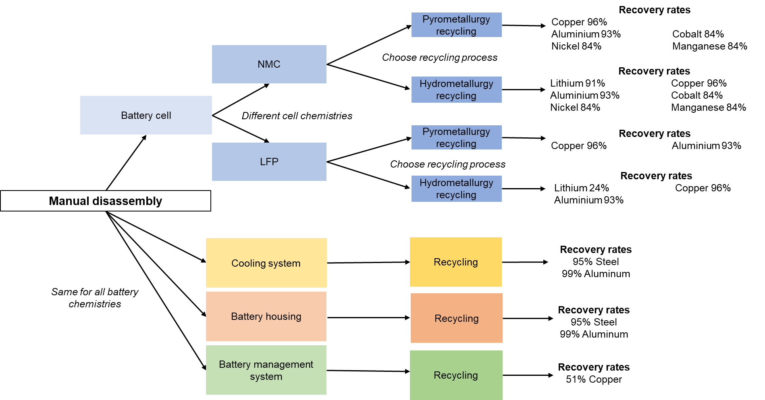
 |  |  |  |  | Pack components sans module (kg) | Copper | 0.09 |  |  |  |  | M [cobalt] | 6.5947495658 |  | 2.8623360592 |  |  |  | VOC | 0
 |  |  |  |  | Pack components sans module (kg) | Aluminum | 29.56 |  |  |  |  | M [copper] | 33.700287372 |  |  |  |  |  | CO | 0
 |  |  |  |  | Pack components sans module (kg) | Steel | 1.78 |  |  |  |  | M [lithium] | 7.7660329504 |  |  |  |  |  | NOx | 0
9.2) Cathode Material Use: ton per ton of product |  |  |  |  | Pack components sans module (kg) | Insulation | 0.94 |  |  |  |  | M [manganese] | 6.1476991099 |  |  |  |  |  | PM10 | 0
 | NCM (ton/ton LiNi0.8Co0.1Mn0.1O2) |  |  |  | Pack components sans module (kg) | Coolant | 8.47 |  |  |  |  | M [nickel] | 52.543143741 |  |  |  |  |  | PM2.5 | 0
Ni1/3Co1/3Mn1/3(OH)2 | 0 |  |  |  | Pack components sans module (kg) | Electronic part | 4.22 |  |  |  |  | Weight of relevant materials for recycling | 118.34174196 |  |  |  |  |  | SOx | 0
Ni0.5Co0.2Mn0.3(OH)2 | 0 |  |  |  | Pack components sans module (kg) | Subtotal: Pack sans module | 45.06 |  |  |  |  | Actual weight of battery cells | 272.9094828 | 646.56283181 | ghg of battery cells recycling in kg |  |  |  | BC | 0
Ni0.6Co0.2Mn0.2(OH)2 | 0 |  |  |  | Totals (kg) | Total: Pack | 284.75 |  |  |  |  |  |  |  |  |  |  |  | OC | 0
Ni0.8Co0.1Mn0.1(OH)2 | 0.9494238222 | 103.35202266 |  |  |  |  |  |  |  |  |  |  |  |  |  |  |  |  | ghg (kg co2-eq/kg of battery cells) | 2.3691475473
Ni0.8Co0.15Al0.05(OH)2 | 0
Ni0.95Co0.025Mn0.025(OH)2 | 0 |  |  |  |  |  |  |  |  |  |  | 1) Key Input Parameters (from the Mat_Inputs sheet)
Sodium Hydroxide (NaOH) | 0 |  |  |  |  |  |  |  |  |  |  | 1.1) Share of Virgin and Recycled Materials Used in Vehicle for Recycled Content LCA Method
Lithium Hydoxide (LiOH) | 0.24619907688 |  |  |  |  |  |  |  |  |  |  |  | Virgin Material Product | Recycled Material Product | Scrap Material Product
Oxygen (O2) | 0 |  |  |  |  |  |  |  |  |  |  | Steel | 74% | 26% | 0%
Phosphoric Acid (H3PO4) | 0 |  |  |  |  |  |  |  |  |  |  | Aluminum Extruded (Non-Automotive) | 39% | 30% | 31%
Iron Sulfate (FeSO4) | 0 |  |  |  |  |  |  |  |  |  |  | Aluminum Sheet (Non-Automotive) | 20% | 23% | 57%
Cobalt Oxide (Co3O4) | 0 |  |  |  |  |  |  |  |  |  |  | Aluminum Foil (Non-Automotive) | 20% | 23% | 57%
Lithium Carbonate (Li2CO3) | 0 |  |  |  |  |  |  |  |  |  |  | Aluminum Extrusion (Automotive) | 27% | 16% | 57%
Iron Oxide (Fe3O4) | 0 |  |  |  |  |  |  |  |  |  |  | Aluminum Sheet (Automotive) | 50% | 0% | 50%
Diammonium Phosphate | 0 |  |  |  |  |  |  |  |  |  |  | Cast Aluminum | 20% | 80% | 0%
NMP | 0.007 |  |  |  |  |  |  |  |  |  |  | Lead | 0% | 100% | 0%
Mn2O3 | 0 |  |  |  |  |  |  |  |  |  |  | Nickel | 56% | 44% | 0%
 |  |  |  |  |  |  |  |  |  |  |  | Magnesium | 48% | 52% | 0%

 |  |  |  |  |  |  |  |  |  |  |  | 1.2) Recycling Rate for End of Life Recycling LCA Method
 |  |  |  |  |  |  |  |  |  |  |  |  | Recycling Rate at End of Life
Element | Mass fraction | % by mass |  |  |  |  |  |  |  |  |  | Steel | 96%
Ni | 0.50840935299 | 50.80% |  |  |  |  |  |  |  |  |  | Aluminum Extruded (Non-Automotive) | 91%
Co | 0.063811034535 | 6.40% |  |  |  |  |  |  |  |  |  | Aluminum Sheet (Non-Automotive) | 91%
Mn | 0.059485358208 | 6.00% |  |  |  |  |  |  |  |  |  | Aluminum Foil (Non-Automotive) | 91%
O | 0.34646555971 | 34.70% |  |  |  |  |  |  |  |  |  | Aluminum Extrusion (Automotive) | 91%
H | 0.021828694555 | 2.20% |  |  |  |  |  |  |  |  |  | Aluminum Sheet (Automotive) | 91%
 |  |  |  |  |  |  |  |  |  |  |  | Cast Aluminum | 91%
Molecular weight NMC | 92.3555 |  |  |  |  |  |  |  |  |  |  | Lead | 99%
 |  |  |  |  |  |  |  |  |  |  |  | Nickel | 80%
 |  |  |  |  |  |  |  |  |  |  |  | Magnesium | 70%

 |  |  |  |  |  |  |  |  |  |  |  |  | 2) Global Warming Potentials of Greenhouse Gases: relative to CO2
 |  |  |  |  |  |  |  |  |  |  |  |  | Metrics for Carbon Dioxide, Methane, Nitrous Oxide
 |  |  |  |  |  |  |  |  |  |  |  |  | AR Edition/Type | AR6/GWP
 |  |  |  |  |  |  |  |  |  |  |  |  | Time Horizon (YR) | 100
 |  |  |  |  |  |  |  |  |  |  |  |  | CO2 | 1
 |  |  |  |  |  |  |  |  |  |  |  |  | CH4 | 29.8
 |  |  |  |  |  |  |  |  |  |  |  |  | N2O | 273

 |  |  |  |  |  |  |  |  |  |  |  |  | Metrics for Near Term Climate Forcers
 |  |  |  |  |  |  |  |  |  |  |  |  | VOC | 0
 |  |  |  |  |  |  |  |  |  |  |  |  | CO | 0
 |  |  |  |  |  |  |  |  |  |  |  |  | NOx | 0
 |  |  |  |  |  |  |  |  |  |  |  |  | BC | 0
 |  |  |  |  |  |  |  |  |  |  |  |  | OC | 0

 |  |  |  |  |  |  |  |  |  |  |  |  | B126+SUMPRODUCT(B123:B124,GREET1_Import_Export!$B$51:$B$52)+SUMPRODUCT(B115:B117,GREET1_Import_Export!$B$55:$B$57)+SUMPRODUCT(B121:B122,GREET1_Import_Export!$B$58:$B$59)

 |  |  |  |  |  |  |  |  |  |  |  |  | Recycled material used as feedstock (%) | Collection Efficiency for recycling (%) | Virgin Material Production GHG (kg co2-eq/kg) | Recycled Material Production GHG (kg co2-eq/kg) | Note
 |  |  |  |  |  |  |  |  |  |  |  | Lithium Carbonate | 10% | 90% | 11.83 | 2.37 | Recycling GHG production is defined per kg of battery cell recycled. Battery cells weight for a 87 kWh of pack is 273 kg. Corresponding Collection efficiency applied
 |  |  |  |  |  |  |  |  |  |  |  | Copper | 50% | 90% | 3.86
 |  |  |  |  |  |  |  |  |  |  |  | Cobalt Sulphate | 32% | 90% | 6.08
 |  |  |  |  |  |  |  |  |  |  |  | Nickel Sulphate | 10% | 90% | 7.42
 |  |  |  |  |  |  |  |  |  |  |  | Manganese Sulphate | 10% | 90% | 0.78
 |  |  |  |  |  |  |  |  |  |  |  | Steel | 10% | 90% | 2.97 | 0.65
 |  |  |  |  |  |  |  |  |  |  |  | Aluminum | 26% | 90% | 14.37 | 2.35

MRE_indicator
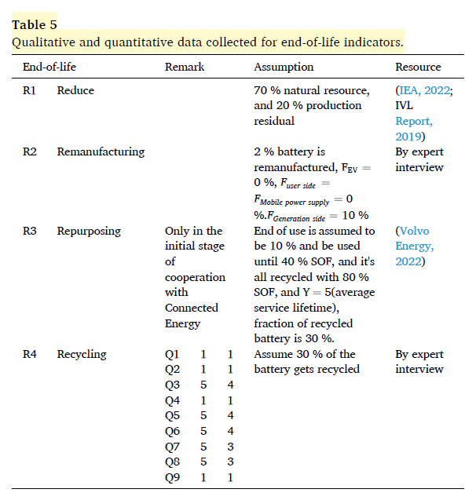
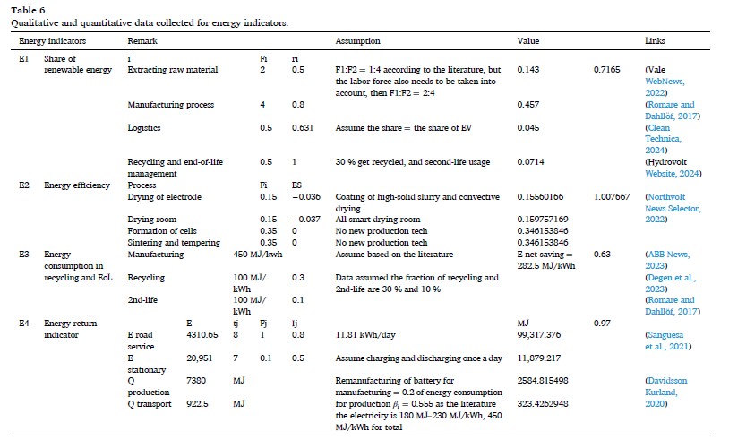
 |  |  |  |  |  |  |  | M1 | m_re_total | 84.675778412 | kg | 0.26795929819
2.3) Li-Ion Battery |  |  |  |  |  |  |  |  | m_vir_total | 316.00238911 | kg |  |  |  |  |  |  | R1 |  |  |  |  | from PCI |  |  |  |  |  |  | E1
 | EV: Conventional Material | EV: Conventional Material |  | kg |  |  |  | M2 |  | F | fp | ft |  |  |  |  |  |  | m_waste | 27.768992971 | kg | TOTAL_BATTERY_MASS | 0 |  |  |  |  |  |  |  | F_rene_1 | 0.29735032402 | fraction |  | Importance fraction step 1 |  | 2
Weight by Materials: lb per battery | lbs | Weight by Materials: kg per battery | M [aluminium] | 53.070283495 | Element | Mass fraction | % by mass |  | Lithium | 2% | 0.2 | 0.7 | 0.2 | 0.7 |  |  |  |  | m_natural_resources | 306.76464448 | kg | steel | 0.815 |  |  |  |  |  |  |  | F_rene_2 | 0.59470064804 | fraction |  | Importance fraction step 2 |  | 4
Active Material | 239.99017899 | 108.85762527 | M [cobalt] | 6.5947495658 | Ni | 0.4826776591 | 48.27% |  | Cobalt | 2% | 0.7692 | 0 | 0.7692 | 0 |  |  |  |  | m_product_R1 | 438.2352064 | kg | aluminium | 0.85 |  |  |  |  |  |  |  | F_rene_3 | 0.010297368075 | fraction |  | Importance fraction step 3 |  | 0.5
Graphite/Carbon | 167.62599056 | 76.033808311 | M [copper] | 33.700287372 | Co | 0.06058142045 | 6.06% |  | Nickel | 12% | 0.4 | 0.4 | 0.4 | 0.4 |  |  |  |  |  |  |  | copper | 0.96 |  |  |  |  |  |  |  | F_rene_4 | 0.097651659871 | fraction |  | Importance fraction step 4 | US values | 0.5
Silicon | 0 | 0 | M [graphite] | 76.033808311 | Mn | 0.056474675932 | 5.65% |  | Copper | 8% | 0.6667 | 0.2 | 0.6667 | 0.2 |  |  |  |  |  |  |  | cobalt | 1 |  |  |  |  |  |  |  | E_rene_1 | 0.2 | MJ |  | Renewable energy consumption step 1 | 0.2 | 0.5
Binder | 8.405453129 | 3.8126462957 | M [lithium] | 7.7660329504 | O | 0.32893019048 | 32.89% |  | Manganese | 1% | 1 | 0 | 1 | 0 |  |  |  | R2 |  |  |  | nickel | 1 |  |  |  |  |  |  |  | E_rene_2 | 0.2 | MJ |  | Renewable energy consumption step 2 | 0.2 | 0.8
Copper | 74.296476508 | 33.700287372 | M [manganese] | 6.1476991099 | Li | 0.071341193886 | 7.13% |  | Aluminum | 12% | 3 | 0.3 | 3 | 0.3 |  |  |  |  | m_remanufactured | 8.7647041281 | kg/year | manganese | 1 |  |  |  |  |  |  |  | E_rene_3 | 0.105 | MJ |  | Renewable energy consumption step 3 | 0.105 | 0.631
Aluminum Sheet (Automotive) | 117.00004298 | 53.070283495 | M [nickel] | 52.543143741 |  |  |  |  | Iron | 23% | 58.4523 | 0.5 | 58.4523 | 0.5 |  |  |  |  | F_EV | 0 | fraction | lithium | 1 |  |  |  |  |  |  |  | E_rene_4 | 0.2 | MJ |  | Renewable energy consumption step 4 | 0.2 | 1
Cast Aluminum | 0 | 0 | M [steel] | 99.786156498 | Molecular weight LiNi₀.8Co₀.1Mn₀.1O₂ | 97.279 |  |  |  |  | needs to be 0.585 |  |  |  |  |  |  |  | F_generation | 0.1 | fraction |  |  |  |  |  |  |  |  |  | E_total_1 | 26491.445073 | MJ |  | Total energy consumption step 1 | 0.29735032402
Electrolyte: LiPF6 | 10.434355608 | 4.7329402292 |  |  |  |  |  |  |  |  |  |  |  |  |  |  |  |  | F_user | 0 | fraction |  |  |  |  |  |  |  |  |  | E_total_2 | 52982.890147 | MJ |  | Total energy consumption step 2 | 0.59470064804
Electrolyte: Ethylene Carbonate | 28.984321135 | 13.147056192 |  |  |  |  |  |  |  |  |  |  |  |  |  |  |  |  | F_mobile | 0.1 | fraction |  |  |  |  |  |  |  |  |  | E_total_3 | 917.41 | MJ |  | Total energy consumption step 3 | 0.010297368075
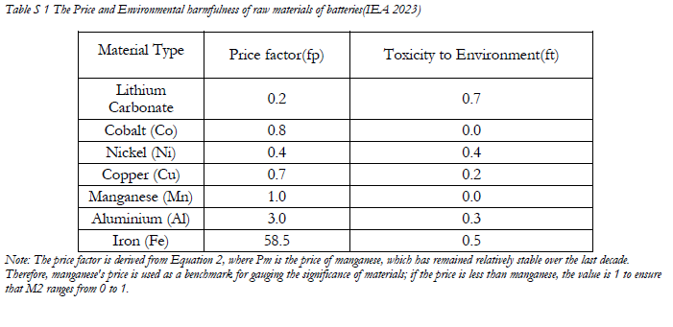
Electrolyte: Dimethyl Carbonate | 28.984321135 | 13.147056192 |  |  |  |  |  | M3 |  | m_i | F_pyro | eta_pyro | F_hydro | eta_hydro | PCI_paper |  |  |  | m_product_R2 | 438.2352064 | kg/year |  |  |  |  |  |  |  |  |  | E_total_4 | 8699.9521266 | MJ |  | Total energy consumption step 4 | 0.097651659871
Plastic: Polypropylene | 0.77291523026 | 0.35058816512 |  |  |  |  |  |  | Lithium | 7.7660329504 | 0 | 0 | 1 | 0.95 | 0.91 |  | 7.0670899848 |  | m_recycled_at_80 | 335.64216104 | kg/year | Recheck
Plastic: Polyethylene | 5.9900930345 | 2.7170582797 |  |  |  |  |  |  | Cobalt | 6.5947495658 | 0 | 0 | 1 | 0.95 | 0.84 |  | 5.5395896352 |  |  |  |  |  |  |  |  |  |  |  |  |  |  |  |  |  |  |  | for S1
Plastic: Polymer | 8.9851395517 | 4.0755874196 |  |  |  |  |  |  | Nickel | 52.543143741 | 0 | 0 | 1 | 0.97 | 0.84 |  | 44.136240743 |  |  |  |  |  |  |  |  |  |  |  |  | E2 |  |  |  |  |  | 20% | 0 | -20%
Plastic: Polyethylene Terephthalate | 1.6424448643 | 0.74499985089 |  |  |  |  |  |  | Copper | 33.700287372 | 0 | 0 | 1 | 0.91 | 0.96 |  | 32.352275878 | R3 |  |  |  |  |  |  |  |  |  |  |  |  | F_step_1 | 0.15 | fraction |  | Fraction of energy in step 1 | 10439.942552 | 8699.9521266 | 6959.9617013
Steel | 156.90179174 | 71.16939752 |  |  |  |  |  |  | Manganese | 6.1476991099 | 0 | 0 | 1 | 0.71 | 0.84 |  | 5.1640672523 |  | SOF_retired_1 | 0.1 | fraction | [0,0.4] |  |  |  |  |  |  |  |  | F_step_2 | 0.15 | fraction |  | Fraction of energy in step 2 | 1153.7505151 | 961.4587626 | 769.16701008
Stainless Steel | 63.08920567 | 28.616758978 |  |  |  |  |  |  | Aluminum | 53.070283495 | 0 | 0 | 1 | 0.8 | 0.93 |  | 49.355363651 |  | SOF_retired_2 | 0.4 | fraction | [0.4-0.8] |  |  |  |  |  |  |  |  | F_step_3 | 0.35 | fraction |  | Fraction of energy in step 3 | 9286.1920368 | 7738.493364 | 6190.7946912
Rubber | 0.28984321135 | 0.13147056192 |  |  |  |  |  |  | Iron | 99.786156498 | 0 | 0 | 1 | 0.95 | 0.95 |  | 94.796848673 |  | SOF_retired_3 | 0.8 | fraction | [0.8,1] |  |  |  |  |  |  |  |  | F_step_4 | 0.35 | fraction |  | Fraction of energy in step 4
Thermal Insulation | 3.5747329399 | 1.6214702637 |  |  |  |  |  |  |  |  |  |  |  |  |  |  |  |  | Y_retired_1 | 5 | years |  |  |  |  |  |  |  |  |  | ES_step_1 | -0.037 | factor |  | Energy-saving factor step 1
Coolant: Glycol | 39.998363166 | 18.142937545 |  |  |  |  |  |  |  |  |  |  |  |  |  |  |  |  | Y_retired_2 | 5 | years |  |  |  |  |  |  |  |  |  | ES_step_2 | -0.036 | factor |  | Energy-saving factor step 2
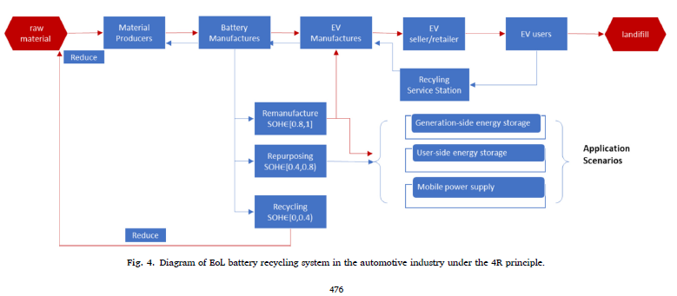
Electronic Parts | 9.1783683593 | 4.1632344608 |  |  |  |  |  | M4 | m_c_i | 51800 | Ohio 50000+ 1800 |  |  |  | -5% |  | 5% |  | Y_retired_3 | 5 | years |  |  |  |  | AL old paper |  |  |  |  | ES_step_3 | 0 | factor |  | Energy-saving factor step 3
Toal mass | 966.14403782 | 438.2352064 |  |  |  |  |  |  | m_out_c_i |  | Michigan blackmass 22640 MT/yr |  |  |  |  | PCI_paper |  |  | m_repurpose_1 | 14.461761811 | kg/year |  |  |  | Landfill | 23% | 19% |  | at 90% collection eff |  | ES_step_4 | 0 | factor |  | Energy-saving factor step 4
 |  |  |  |  |  |  |  |  |  |  |  |  |  |  | 0.8645 | 0.91 | 0.9555 |  | m_repurpose_2 | 14.461761811 | kg/year |  |  |  | Recycling | 30% | 69% | 69%
 |  |  |  |  |  |  |  |  |  |  |  |  |  |  | 0.798 | 0.84 | 0.882 |  | m_repurpose_3 | 14.461761811 | kg/year |  |  |  | Remanf | 2% | 2% | 4.38
 |  |  |  |  |  |  |  | M5 | C_trans | 1.24 | $/kg |  |  |  | 0.798 | 0.84 | 0.882 |  | m_product_R3 | 438.2352064 | kg/year |  |  |  | Repurpose | 10% | 10% |  |  | E3
 |  |  |  |  |  |  |  |  | C_energy | 4.4655 |  | Utilities (10-20% of total product cost) |  |  | 0.912 | 0.96 | 1.008 |  |  |  |  |  |  |  |  |  |  |  |  |  | E_extraction |  | MJ |  | Energy for raw material extraction
 |  |  |  |  |  |  |  |  | C_labor | 0.53 | ($/kg cell) |  |  |  | 0.798 | 0.84 | 0.882 |  |  |  |  |  |  |  |  | 65% | 100% |  |  |  | E_processing | 61193.239474 | MJ |  | Energy for material processing
 |  |  |  |  |  |  |  |  | C_total | 29.77 | ($/kg cell) |  |  |  | 0.8835 | 0.93 | 0.9765 | R4 |  |  |  |  |  |  |  |  |  |  |  |  | E_assembly | 18281.095746 | MJ |  | Energy for module/cell assembly |  |  | 79474.33522
 |  |  |  |  |  |  |  |  | m_c_i |  |  |  |  |  | 0.9025 | 0.95 | 0.9975 |  | recycled_fraction | 0.68930551568 | fraction | Refer to table S3 |  |  |  |  |  |  |  |  | E_transport_manuf | 917.41 | MJ |  | Energy for manufacturing transport
 |  |  |  |  |  |  |  |  | m_out_c_i |  |  |  |  |  |  |  |  |  | Q1 | 1 | score |  |  |  |  |  | Recycling | Landfill | fixing Remanufacturing at 2% and 10% at repurposing |  | E_collection |  | MJ |  | Energy for collection of spent batteries
 |  |  |  |  |  |  |  |  |  |  |  |  |  |  |  |  |  |  | Q2 | 1 | score |  |  |  | at collection =70% |  | 54% | 34% |  |  | E_transport_recy | 917.41 | MJ |  | Energy for transport to recycling
 |  |  |  |  |  |  |  | M6 | WRR | 0.95 |  |  |  |  |  |  |  |  | Q3 | 5 | score |  |  |  | at collection =90% |  | 69% | 19% |  |  | E_pre_treatment | 961.4587626 | MJ |  | Energy for pre-treatment
 |  |  |  |  |  |  |  |  | WTE | 0.93 |  |  |  |  |  |  |  |  | Q4 | 1 | score |  |  |  | at collection =100% |  | 76% | 12% |  |  | E_recovery | 7738.493364 | MJ |  | Energy for recovery processes
 |  |  |  |  |  |  |  |  |  |  |  |  |  |  |  |  |  |  | Q5 | 5 | score |  |  |  |  |  |  |  |  |  | E_repurpose |  | MJ |  | Energy for repurposing |  |  |  | use same energy consumption as recycling
 |  |  |  |  |  |  |  | M7 | m_residuals | 10 | kg/year |  | 0 | ?? |  |  |  |  | Q6 | 5 | score |  |  |  |  |  | Depends on collection efficiency |  |  |  | E_operational_secondlife | 8699.9521266 | MJ |  | Operational energy during second-life
 |  |  |  |  |  |  |  |  | m_emissions | 5 | kg/year |  | 3954.8299096 | kgCO2-eq |  |  |  |  | Q7 | 5 | score |  |  |  |  |  |  |  |  |  | f_saving_from_recycled | 0.58 | fraction |  | Energy saving from recycled material |  |  |  |  |  | make second life energy same as recycling
 |  |  |  |  |  |  |  |  | m_landfill | 15 | kg/year |  | 43.82352064 | assuming 10% |  |  |  |  | Q8 | 5 | score |  |  |  |  |  |  |  |  |  | P_recycling | 0.69 | fraction |  | Fraction allocated to recycling | ?Needs to be 0.69 | was initially 0.3 |  |  | Landfill | 23%
 |  |  |  |  |  |  |  |  | m_product | 200 | kg/year |  | 438.2352064 | kg |  |  |  |  | Q9 | 1 | score |  |  |  |  |  |  |  |  |  | P_secondlife | 0.1 | fraction |  | Fraction allocated to second-life |  |  |  |  | 2nd life | 10%
 |  |  |  |  |  |  |  |  | assume landfill to be 19% |  |  |  |  |  |  |  |  |  |  |  |  |  |  |  |  |  |  |  |  |  | Y_retired_years | 5 | years |  | Battery retired year |  |  |  |  | Recycled | 30% |  | 0.68835616438
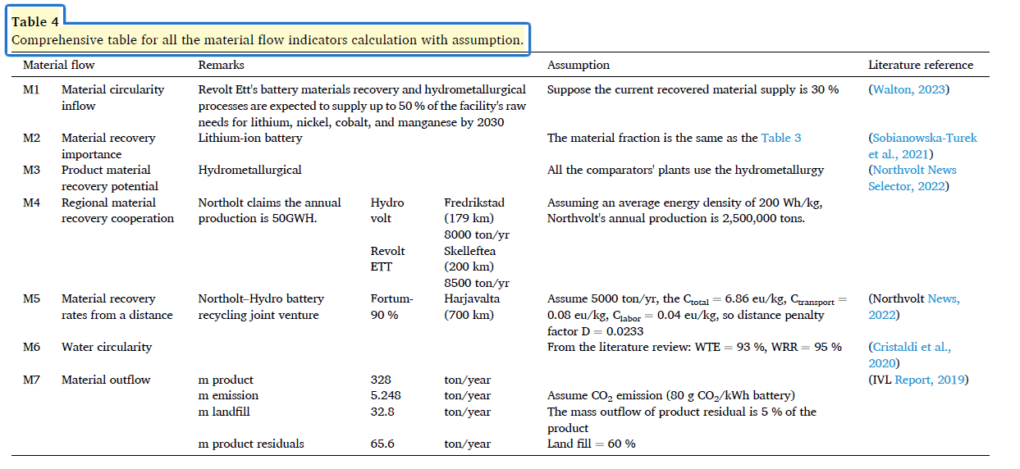
 |  |  |  |  |  |  |  |  |  |  |  |  | 1-Landfill |  |  |  |  |  |  |  |  |  |  |  |  |  |  |  |  |  | service_life_primary_years | 8 | years |  | Average service life for EV battery |  |  |  |  | Remanufacturing | 2%
 |  |  |  |  |  |  |  | Weights for M |  |  |  |  |  |  |  |  |  | Weights for R
 |  |  |  |  |  |  |  |  | n1 | 0.21 |  |  |  |  |  |  |  |  | r1 | 0.27 |  |  |  |  |  |  |  |  |  |  |  |  |  |  |  |  |  |  |  |  | 65%
 |  |  |  |  |  |  |  |  | n2 | 0.23 |  |  |  |  |  |  |  |  | r2 | 0.21 |  |  |  |  |  |  |  |  |  | E4
 |  |  |  |  |  |  |  |  | n3 | 0.17 |  |  |  | 9.0273972603 |  |  |  |  | r3 | 0.23 |  |  |  |  |  |  |  |  |  |  | E_used_j_1 | 15,877.44 | MJ/yr |  | Energy usage function 1 |  |  |  |  | Distance | 11026 | miles/vehicle/year
 |  |  |  |  |  |  |  |  | n4 | 0.18 |  |  |  |  |  |  |  |  | r4 | 0.29 |  |  |  |  |  |  |  |  |  |  | E_used_j_2 | 2,600 | MJ/yr |  | Energy usage function 2 |  |  |  |  | Energy consp | 40 | kWh/100 miles
 |  |  |  |  |  |  |  |  | n5 | 0.2 |  |  |  |  |  |  |  |  |  |  |  |  |  |  |  |  |  |  |  |  | eta0 | 0.2 | efficiency |  | Efficiency factor |  |  | table s5 |  | Energy/year | 4410.4 | kWh/year
 |  |  |  |  |  |  |  |  |  |  |  |  |  |  |  |  |  |  |  |  |  |  |  |  |  |  |  |  |  |  | t_j_1 | 8 | years |  | Service life function 1 |  |  |  |  | E_used_j_1 | 15877.44 | MJ/year
 |  |  |  |  |  |  |  |  |  |  |  |  |  |  |  |  |  |  |  |  |  |  |  |  |  |  |  |  |  |  | t_j_2 | 7 | years |  | Service life function 2
 |  |  |  |  |  |  |  |  |  |  |  |  |  |  |  |  |  |  |  |  |  |  |  |  |  |  |  |  |  |  | F_j_1 | 1 | fraction |  | Fraction of product for function 1 |  |  |  |  | Battery capacity | 87 | kWh
 |  |  |  |  |  |  |  | M Catergory |  |  |  |  | References |  |  |  |  |  |  |  |  |  |  |  |  |  |  |  |  |  | F_j_2 | 0.1 | fraction |  | Fraction of product for function 2 |  |  |  |  | Charging loss | 11%
 |  |  |  |  |  |  |  | M1 | mre | 84.675778412 | kg |  | GREET2024 Rev1 |  |  |  |  | R1 | mwaste | 27.77 | kg |  |  | 27.77 |  |  |  |  |  |  | I_j_1 | 0.8 | factor |  | Importance factor function 1 |  |  |  |  | Discharging loss | 5%
 |  |  |  |  |  |  |  |  | mvir | 316.00238911 | kg |  | Table X |  |  |  |  |  | m natural resources | 306.76 | kg |  |  | 306.76 |  |  |  |  |  |  | I_j_2 | 0.5 | factor |  | Importance factor function 2 |  |  |  |  |  | 2599.8147368
 |  |  |  |  |  |  |  | M2 |  | F | fp | ft |  |  |  |  |  |  | m product | 438.24 | kg |  |  | 8.76 |  |  |  |  |  |  | QP_ipf | 79474.33522 | MJ/yr |  | Annual energy for production component 1
 |  |  |  |  |  |  |  |  | Lithium | 0.02 | 0.2 | 0.7 | F from GREET2024 Rev1, Table SX |  |  |  |  | R2 | m remanufactured | 8.76 | kg |  |  | 0.00 |  |  |  |  |  |  | QT_ipf | 917.41 | MJ/yr |  | Annual energy for transportation 1
 |  |  |  |  |  |  |  |  | Cobalt | 0.02 | 0.7692 | 0 | fp and ft from IEA, IEA. 2023. “Price of Selected Battery Materials and Lithium-Ion Batteries, 2015-2023 – Charts – Data & Statistics.” IEA. https://www.iea.org/data-and-statistics/charts/price-of-selected-battery-materials-and-lithium-ion-batteries-2015-2023. |  |  |  |  |  | F_EV | 0.00 | fraction |  |  | 0.10 |  |  |  |  |  |  | beta_i | 0.55 | fraction |  | Proportion of primary fossil energy 1 |  |  |  |  | Battery weight | 438 |  | Truck mJ/ ton.km | 1.3
 |  |  |  |  |  |  |  |  | Nickel | 0.12 | 0.4 | 0.4 |  |  |  |  |  |  | F_generation | 0.10 | fraction |  |  | 0.00 |  |  |  |  |  |  | alpha_pf_el | 0.35 | factor |  | Primary fossil to electricity conversion |  |  | table s5 |  |  | 917.41 |  | miles | 1000
 |  |  |  |  |  |  |  |  | Copper | 0.08 | 0.6667 | 0.2 |  |  |  |  |  |  | F_user | 0.00 | fraction |  |  | 0.10 |  |  |  |  |  |  | alpha_el_el | 1 | factor |  | Electricity to electricity conversion |  |  | table s5
 |  |  |  |  |  |  |  |  | Manganese | 0.01 | 1 | 0 |  |  |  |  |  |  | F_mobile | 0.10 | fraction |  |  | 335.64 |  |  |  |  |  |  | alpha_pf_th | 0.95 | factor |  | Primary fossil to thermal conversion |  |  | table s5
 |  |  |  |  |  |  |  |  | Aluminum | 0.12 | 3 | 0.3 |  |  |  |  |  |  | m_product_R2 | 438.24 | kg |  |  | SOF_retired |  |  |  |  |  |  | alpha_el_th | 2.71 | factor |  | Electricity to thermal conversion |  |  | table s5
 |  |  |  |  |  |  |  |  | Iron | 0.23 | 0.585 | 0.5 |  |  |  |  |  |  | m_recycled_at_80 | 335.64 | kg |  |  | 0.10 |  |  |  |  |  |  | alpha_pf_tr | 0.88 | factor |  | Primary fossil to transport conversion |  |  | table s5
 |  |  |  |  |  |  |  | M3 |  | m_i | F_hydro | eta_hydro |  |  |  |  |  | R3 |  | SOF_retired | Y_retired | m_repurpose (kg) |  | 0.40 |  |  |  |  |  |  | alpha_el_tr | 2.51 | factor |  | Electricity to transport conversion |  |  | table s5
 |  |  |  |  |  |  |  |  | Lithium | 7.77 | 1 | 0.91 | Assuming only hydrometallurgy |  |  |  |  |  | Generation-side power supply | 0.10 | 5 | 14.46 |  | 0.80
 |  |  |  |  |  |  |  |  | Cobalt | 6.59 | 1 | 0.84 | eta_hydro from PCI paper |  |  |  |  |  | User-side power supply | 0.40 | 5 | 14.46 |  | 0.69
 |  |  |  |  |  |  |  |  | Nickel | 52.54 | 1 | 0.84 |  |  |  |  |  |  | Mobile power supply | 0.80 | 5 | 14.46 |  | 1
 |  |  |  |  |  |  |  |  | Copper | 33.70 | 1 | 0.96 |  |  |  |  |  | R4 | recycled_fraction | 0.69 |  |  |  | 1
 |  |  |  |  |  |  |  |  | Manganese | 6.15 | 1 | 0.84 |  |  |  |  |  |  | Q1 | 1 |  |  |  | 5
 |  |  |  |  |  |  |  |  | Aluminum | 53.07 | 1 | 0.93 |  |  |  |  |  |  | Q2 | 1 |  |  |  | 1 |  |  |  |  |  |  |  |  |  |  |  |  | Reference
 |  |  |  |  |  |  |  |  | Iron | 99.79 | 1 | 0.95 |  |  |  |  |  |  | Q3 | 5 |  |  |  | 5 |  |  |  |  |  |  | E1 |  | Fi | ri |  |  | Fi is calculated based on energy values listed below:Raw Material and Manufacturing: 79474.34 MJ (GREET 2024Rev1),Recycling: 8699.95 MJ (GREET2024 Rev1)Logistics: 917.41 MJ (Battery weight - 438 kg, truck energy - 1.3MJ/ton-km. Assuming renewable energy share is 20% in the US, with 10.5% in transportation sector
 |  |  |  |  |  |  |  | M4 | mc,i | 51800 | MT/yr |  | https://www.nrel.gov/transportation/li-ion-battery-supply-chain-database |  |  |  |  |  | Q4 | 1 |  |  |  | 5 |  |  |  |  |  |  |  | Raw Material Extraction | 0.30 | 0.2
 |  |  |  |  |  |  |  |  | mout,c,i | 22640 | MT/yr |  | instate ohio and ouyt of state |  |  |  |  |  | Q5 | 5 |  |  |  | 5 |  |  |  |  |  |  |  | Manufacturing | 0.59 | 0.2
 |  |  |  |  |  |  |  | M5 | C_trans | 1.24 | $/kg |  | Everbatt 2023 |  |  |  |  |  | Q6 | 5 |  |  |  | 5 |  |  |  |  |  |  |  | Logistics | 0.01 | 0.105
 |  |  |  |  |  |  |  |  | C_energy | 4.4655 | $/kg |  |  |  |  |  |  |  | Q7 | 5 |  |  |  | 1 |  |  |  |  |  |  |  | Recycling and EoL | 0.10 | 0.2
 |  |  |  |  |  |  |  |  | C_labor | 0.53 | $/kg |  |  |  |  |  |  |  | Q8 | 5 |  |  |  |  |  |  |  |  |  |  | E2 |  | F_step_1 | ES_step_1 |  |  | Bin, X., & Thakur, J. (2025). Circular economy metrics for batteries: Enhancing sustainability in energy storage systems. Sustainable Production and Consumption, 55, 470-485.
 |  |  |  |  |  |  |  |  | C_total | 29.77 | $/kg |  |  |  |  |  |  |  | Q9 | 1 |  |  |  |  |  |  |  |  |  |  |  | Drying of electrode | 0.15 | -0.037
 |  |  |  |  |  |  |  | M6 | WRR | 0.95 |  |  | (Cristaldi et al., |  |  |  |  |  |  |  |  |  |  |  |  |  |  |  |  |  |  | Drying room | 0.15 | -0.036
 |  |  |  |  |  |  |  |  | WTE | 0.93 |  |  | 2020) |  |  |  |  |  |  |  |  |  |  |  |  |  |  |  |  |  |  | Formation of cells | 0.35 | 0
 |  |  |  |  |  |  |  | M7 | % mass into landfill | 19% |  |  | assumption |  |  |  |  |  |  |  |  |  |  |  |  |  |  |  |  |  |  | Sintering and Tempering | 0.35 | 0
 |  |  |  |  |  |  |  |  |  |  |  |  |  |  |  |  |  |  |  |  |  |  |  |  |  |  |  |  |  |  | E3 | E_manufacturing | 80391.75 | MJ |  |  | Energy values calculated from GREET 2024 Rev1.2nd life energy is assumed to be same as recycing, however, recycing also includes transportation energy
 |  |  |  |  |  |  |  |  |  |  |  |  |  |  |  |  |  |  |  |  |  |  |  |  |  |  |  |  |  |  |  | E_recycling | 9617.36 | MJ
 |  |  |  |  |  |  |  |  |  |  |  |  |  |  |  |  |  |  |  |  |  |  |  |  |  |  |  |  |  |  |  | E_2nd life | 8699.95 | MJ
 |  |  |  |  |  |  |  |  |  |  |  |  |  |  |  |  |  |  |  |  |  |  |  |  |  |  |  |  |  |  |  | f_saving_from_recycled | 0.58
 |  |  |  |  |  |  |  |  |  |  |  |  |  |  |  |  |  |  |  |  |  |  |  |  |  |  |  |  |  |  |  | P_recycling | 0.30
 |  |  |  |  |  |  |  |  |  |  |  |  |  |  |  |  |  |  |  |  |  |  |  |  |  |  |  |  |  |  |  | P_secondlife | 0.10
 |  |  |  |  |  |  |  |  |  |  |  |  |  |  |  |  |  |  |  |  |  |  |  |  |  |  |  |  |  |  |  | Y_retired_years | 5.00
 |  |  |  |  |  |  |  |  |  |  |  |  |  |  |  |  |  |  |  |  |  |  |  |  |  |  |  |  |  |  |  | service_life_primary_years | 8.00
 |  |  |  |  |  |  |  |  |  |  |  |  |  |  |  |  |  |  |  |  |  |  |  |  |  |  |  |  |  |  | E4 |  | Ej | tj | Fj | Ij | Assuming vehicle travels 11026 miles/year at 40 Wh/ 100 miles. At stationary conditions, assuming charging efficiency at 90% and discharging efficiency at 95%. Alpha and beta values from Bin, X., & Thakur, J. (2025). Circular economy metrics for batteries: Enhancing sustainability in energy storage systems. Sustainable Production and Consumption, 55, 470-485.
 |  |  |  |  |  |  |  |  |  |  |  |  |  |  |  |  |  |  |  |  |  |  |  |  |  |  |  |  |  |  |  | Eroad service | 15877.44 | 8 | 1 | 0.8
 |  |  |  |  |  |  |  |  |  |  |  |  |  |  |  |  |  |  |  |  |  |  |  |  |  |  |  |  |  |  |  | Estationary | 2599.81 | 7 | 0.1 | 0.5
 |  |  |  |  |  |  |  |  |  |  |  |  |  |  |  |  |  |  |  |  |  |  |  |  |  |  |  |  |  |  |  | QP_ipf | 79474.34
 |  |  |  |  |  |  |  |  |  |  |  |  |  |  |  |  |  |  |  |  |  |  |  |  |  |  |  |  |  |  |  | QT_ipf | 917.41
 |  |  |  |  |  |  |  |  |  |  |  |  |  |  |  |  |  |  |  |  |  |  |  |  |  |  |  |  |  |  |  | beta_i | 0.55
 |  |  |  |  |  |  |  |  |  |  |  |  |  |  |  |  |  |  |  |  |  |  |  |  |  |  |  |  |  |  |  | alpha_pf_el | 0.35
 |  |  |  |  |  |  |  |  |  |  |  |  |  |  |  |  |  |  |  |  |  |  |  |  |  |  |  |  |  |  |  | alpha_el_el | 1.00
 |  |  |  |  |  |  |  |  |  |  |  |  |  |  |  |  |  |  |  |  |  |  |  |  |  |  |  |  |  |  |  | alpha_pf_th | 0.95
 |  |  |  |  |  |  |  |  |  |  |  |  |  |  |  |  |  |  |  |  |  |  |  |  |  |  |  |  |  |  |  | alpha_el_th | 2.71
 |  |  |  |  |  |  |  |  |  |  |  |  |  |  |  |  |  |  |  |  |  |  |  |  |  |  |  |  |  |  |  | alpha_pf_tr | 0.88
 |  |  |  |  |  |  |  |  |  |  |  |  |  |  |  |  |  |  |  |  |  |  |  |  |  |  |  |  |  |  |  | alpha_el_tr | 2.51

